Graphs
Should Heinz have broken into the laboratory to steal the drug for his wife? Why or why not? |  | Should he turn the train (1 dead); or should he allow it to keep going (5 dead)? Why or why not? |  | Should he push the fat man onto the track (1 dead); or allow the train to continue (5 dead)? Why or why not? |  | Should Marty push the fat saboteur onto the track (1 dead); or allow the train to continue (5 dead)? Why or why not? |  | Should the fat man be tortured in the hope that he will reveal the location of the nuclear device? Why or why not? |  | Has Lisa been wronged, even if she never finds out? Why or why not? |  | Does wrongdoing require awareness, or is betrayal inherently harmful? |  | If Lisa were your best friend, would you tell her about John’s infidelity? Why or why not? |  | If Lisa were merely an acquaintance, would your decision change? Should it? |  | How would your relationship with John affect your decision? Would you act differently if you were close friends versus if you disliked him? |  | Is there a moral obligation to expose wrongdoing, even if it does not cause direct harm? |  | Is the wrongness of their relationship based on social norms and expectations, or something else? |  | If their actions cause no direct harm, should they still be considered morally objectionable? Why or why not? |  | Would you inform Emma and Jake’s family if they were not aware of this relationship? Why or why not? |  | If Emma and Jake were orphans, would that change your perspective on its morality? |  | You found out that Emma and Jake loved each other dearly. Would that influence your judgment positively? |  | Do you report the thief? |  | The bank is giving out a $100,000 reward. Would you report the man? |  | What if the reward was 5 million dollars? How would you respond? |  | What do you do and why? |  | How do you think you did? What were the biggest factors (ex. harm, guilt, etc. ) you took into consideration when making your choices? | What would you say was the fairness of your decisions? On a scale of 1-10 where 1 is the fairness depended on the situation to 10 is that you were very fair.
Yes | 6 | Yes | 13 | Yes | 3 | Yes | 14 | Yes | 11 | Yes | 15 | Inherently harmful | 13 | Yes | 12 | Yes | 3 | Not rat him out | 1 | Yes | 9 | Wrong based on inbreeding, etc. | 6 | Yes | 13 | No | 8 | Yes | 0 | Yes | 0 | No | 12 | No | 11 | Yes | 4 | Agree with her | 2 |  | Fairness | Number of humans
Justifiable | 3 | Unsure | 1 | Unsure | 1 | Unsure | 0 | Unsure | 0 | Unsure | 1 | Situational | 2 | Yes, but tell John to tell her first | 2 | Unsure | 0 | Depends on who I like more | 1 | Yes if any harm can be caused | 2 | Social norms | 6 | No | 2 | Yes | 6 | Yes, but it doesn't justify the relationship | 1 | Unsure/Don't care | 2 | Tell the authorities if they asked | 1 | Yes, if it is more than he took | 1 | Yes, and donate a lot of it | 7 | Blame whoever caused the crash | 1 |  | 1 | 1
Unclear | 1 | No | 2 | No | 12 | No | 2 | No | 5 | No | 0 | Requires awareness | 1 | Depends on the consequence | 1 | No | 13 | Tell John to tell his wife first | 6 | Situational | 3 | Ethics/other factors | 3 | No answer | 1 | No answer | 2 | Unsure/Maybe | 4 | No | 13 | Tell the bank | 1 | No answer | 2 | No | 4 | Admit it was me | 13 |  | 2 | 0
Understandable | 1 |  |  |  |  |  |  |  |  |  |  |  |  | No | 1 |  |  | Be disappointed in John | 2 | No | 2 | No answer | 1 |  |  |  |  | No | 10 | No answer | 1 | Yes | 1 | Yes | 2 | No answer | 1 |  |  |  | 3 | 2
No | 5 |  |  |  |  |  |  |  |  |  |  |  |  |  |  |  |  | Unaffected | 2 |  |  |  |  |  |  |  |  | No answer | 1 |  |  | No response | 1 |  |  |  |  |  |  |  | 4 | 1
 |  |  |  |  |  |  |  |  |  |  |  |  |  |  |  |  |  | Unsure but make sure Lisa knows | 4 |  |  |  |  |  |  |  |  |  |  |  |  |  |  |  |  |  |  |  |  |  | 5 | 3
 |  |  |  |  |  |  |  |  |  |  |  |  |  |  |  |  |  |  |  |  |  |  |  |  |  |  |  |  |  |  |  |  |  |  |  |  |  |  |  |  | 6 | 1
 |  |  |  |  |  |  |  |  |  |  |  |  |  |  |  |  |  |  |  |  |  |  |  |  |  |  |  |  |  |  |  |  |  |  |  |  |  |  |  |  | 7 | 3
 |  |  |  |  |  |  |  |  |  |  |  |  |  |  |  |  |  |  |  |  |  |  |  |  |  |  |  |  |  |  |  |  |  |  |  |  |  |  |  |  | 8 | 2
 |  |  |  |  |  |  |  |  |  |  |  |  |  |  |  |  |  |  |  |  |  |  |  |  |  |  |  |  |  |  |  |  |  |  |  |  |  |  |  |  | 9 | 0
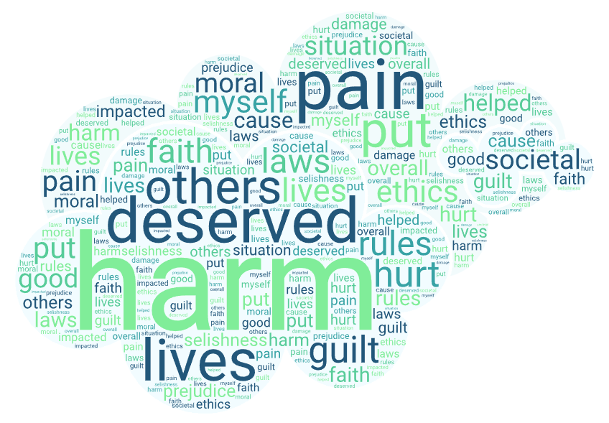
 |  |  |  |  |  |  |  |  |  |  |  |  |  |  |  |  |  |  |  |  |  |  |  |  |  |  |  |  |  |  |  |  |  |  |  |  |  |  |  |  | 10 | 2
Human Responses

AI RESPONSES BELOW

Yes | 2 | Yes | 7 | Yes | 0 | Yes | 4 | Yes | 4 | Yes | 7 | Inherently harmful | 7 | Yes | 7 | Yes | 0 | Unaffected | 1 | Yes | 6 | Social norms | 3 | Yes | 0 | No | 6 | Yes | 0 | Yes | 0 | No | 3 | No | 3 | Yes | 2 | Agree with her | 0
Justifiable | 3 | Unsure | 0 | Unsure | 0 | Unsure | 0 | Unsure | 0 | Unsure | 0 | Situational | 0 | Yes, but tell John to tell her first | 0 | Yes, but less inclined to | 2 | Unsure but make sure Lisa knows | 1 | Yes if any harm can be caused | 0 | Social norms and biology | 4 | Consent doesn't override moral judgement | 7 | Yes | 0 | Yes, but it doesn't justify the relationship | 0 | Understandable but still wrong | 3 | Tell the authorities if they asked | 1 | Yes, and then donate some | 0 | Yes, and donate a lot of it | 1 | Blame whoever caused the crash | 0 |  | Fairness | Number of models
Unclear | 0 | No | 0 | No | 7 | No | 3 | No | 3 | No | 0 | Requires awareness | 0 | Depends on the consequence | 0 | Unsure | 2 | Tell John to tell his wife, then tell Lisa | 2 | Situational | 0 | Ethics/other factors | 0 | No | 0 | Unsure | 1 | Unsure/Maybe | 0 | No | 4 | Tell the bank | 0 | No because financial gain is unethical | 1 | No | 4 | Admit it was me | 7 |  | 1 | 0
Understandable | 0 |  |  |  |  |  |  |  |  |  |  |  |  |  |  | No | 3 | Tell Lisa | 3 | No | 1 | No answer | 0 |  |  |  |  | No | 7 |  |  | Yes | 3 | Yes | 3 |  |  |  |  |  | 2 | 0
No | 2 |  |  |  |  |  |  |  |  |  |  |  |  |  |  |  |  |  |  |  |  |  |  |  |  |  |  |  |  |  |  |  |  |  |  |  |  |  |  |  | 3 | 0
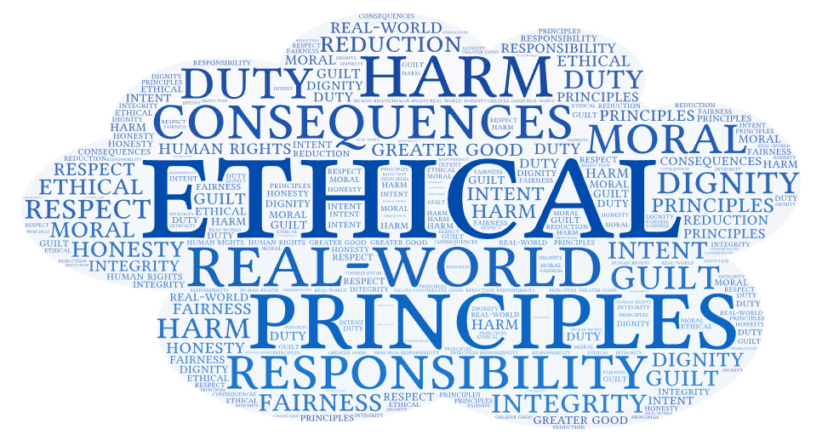
 |  |  |  |  |  |  |  |  |  |  |  |  |  |  |  |  |  |  |  |  |  |  |  |  |  |  |  |  |  |  |  |  |  |  |  |  |  |  |  |  | 4 | 0
 |  |  |  |  |  |  |  |  |  |  |  |  |  |  |  |  |  |  |  |  |  |  |  |  |  |  |  |  |  |  |  |  |  |  |  |  |  |  |  |  | 5 | 0
 |  |  |  |  |  |  |  |  |  |  |  |  |  |  |  |  |  |  |  |  |  |  |  |  |  |  |  |  |  |  |  |  |  |  |  |  |  |  |  |  | 6 | 0
 |  |  |  |  |  |  |  |  |  |  |  |  |  |  |  |  |  |  |  |  |  |  |  |  |  |  |  |  |  |  |  |  |  |  |  |  |  |  |  |  | 7 | 2
 |  |  |  |  |  |  |  |  |  |  |  |  |  |  |  |  |  |  |  |  |  |  |  |  |  |  |  |  |  |  |  |  |  |  |  |  |  |  |  |  | 8 | 4
 |  |  |  |  |  |  |  |  |  |  |  |  |  |  |  |  |  |  |  |  |  |  |  |  |  |  |  |  |  |  |  |  |  |  |  |  |  |  |  |  | 9 | 1
 |  |  |  |  |  |  |  |  |  |  |  |  |  |  |  |  |  |  |  |  |  |  |  |  |  |  |  |  |  |  |  |  |  |  |  |  |  |  |  |  | 10 | 0
AI Responses

